Start Here
Instructions:
Click the Choose Game button.
On the dialogue box, choose a league, date, game, and format.
Click Generate Scorecard. NOTE: Scorecard generation will take 4-15 seconds, during which Excel may seem to freeze.
Known Issues/Limitations:
Play-by-play data is not currently available for MLB games before 1952.
Play-by-play data is not currently available for Minor League games before 2005.
Requires an internet connection.
For some older games, not all player numbers will populate.
Has not been tested for new (as of 2022) minor league rules.
If textboxes/basepaths seem misaligned, you may have to turn off Windows' Fix scaling for apps setting. (Search Advanced Scaling Settings in your Start menu, then switch the Let Windows try to fix apps so they're not blurry toggle to Off.)
Macros must be enabled for this tool to work. To enable macros in Excel, got to Home > Options > Trust Center > Trust Center Settings > Macros and choose Enable macros.

 | Game | 661161
 | Output Type | Excel
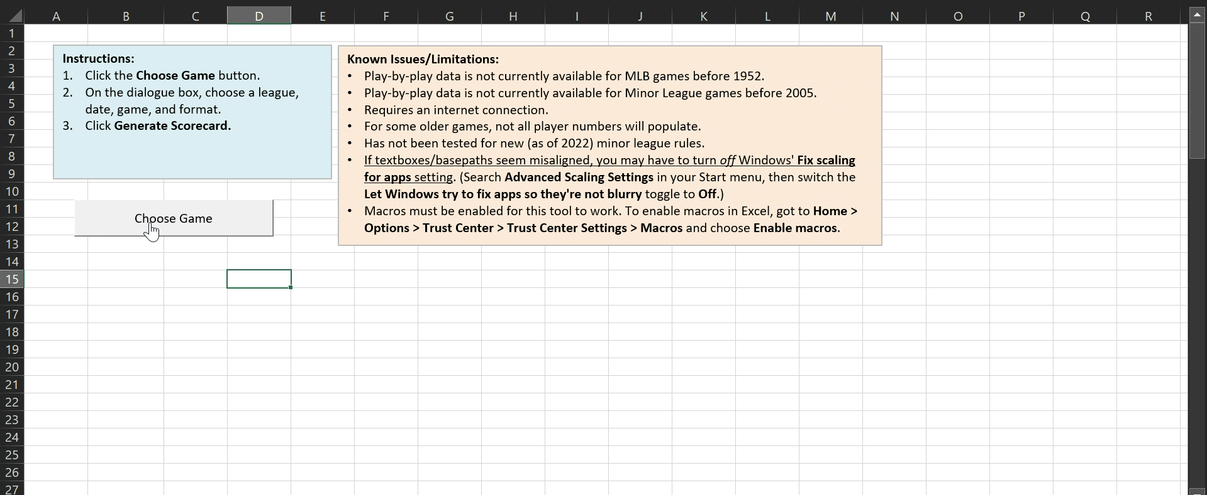

 |  |  |  | NOTE: Some rare baseball events may not be handled correctly yet. Please report any issues you find to andrew [dot] zsmall [at] gmail [dot] com.

20 |  | Brock | LF |  | 9 | 0 | 1 | 0

